graph
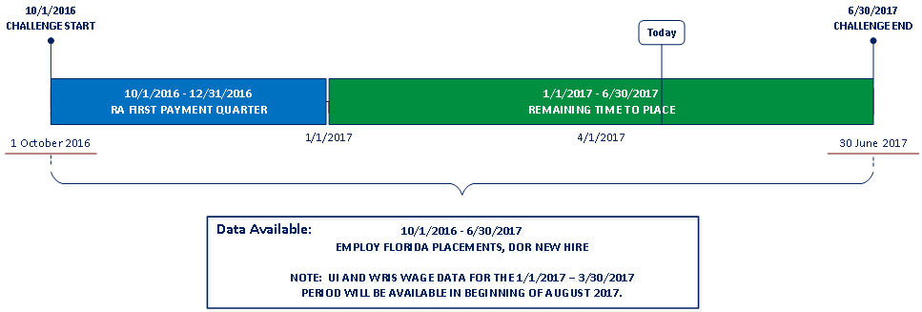
 | Report Date: 4/21/2017
Reemployment Challenge - Executive Summary Excludes RA Claimants Who Returned to the Same Employer
October 1, 2016 thru December 31, 2016

Placement Rate: The goal of this challenge is to increase the number of reemployment assistance claimants who get a new job in the time period tracked. To be considered for this award, a local workforce development board (LWDB) must hit 81% or greater.

Statewide Placement Rate
 | Claimants Placed | Goal Floor Threshold
 | 37.89%
LWDB Placement Rate
 | Total Claimants | Claimants Employed | Percent Employed
1 | 781 | 247 | 31.63%
2 | 387 | 133 | 34.37%
3 | 142 | 58 | 40.85%
4 | 623 | 232 | 37.24%
5 | 574 | 195 | 33.97%
6 | 177 | 87 | 49.15%
7 | 144 | 58 | 40.28%
8 | 3398 | 1243 | 36.58%
9 | 365 | 152 | 41.64%
10 | 846 | 318 | 37.59%
11 | 1522 | 562 | 36.93%
12 | 4779 | 1663 | 34.80%
13 | 993 | 415 | 41.79%
14 | 1787 | 956 | 53.50%
15 | 2963 | 1456 | 49.14%
16 | 1141 | 472 | 41.37%
17 | 1220 | 466 | 38.20%
18 | 1096 | 390 | 35.58%
19 | 330 | 112 | 33.94%
20 | 1058 | 400 | 37.81%
21 | 2638 | 1046 | 39.65%
22 | 4176 | 1485 | 35.56%
23 | 5688 | 1813 | 31.87%
24 | 1646 | 617 | 37.48%

>= 81%

Days-to-Employment: The goal of this challenge is to decrease the average number of days it takes for a reemployment assistance claimant to get back into a job. To be considered for this award, a local workforce development board (LWDB) must hit 76 Days or Fewer.

Statewide Average Days-to-Employment
 | Average Days-to-Employment | Goal Ceiling Limit
 | 56.8
LWDB Average Days-to-Employment
 | Total Days-to-Employment | Average Days
 | 14941 | 60.5
 | 6467 | 48.6
 | 3560 | 61.4
 | 15597 | 67.2
 | 14425 | 74.0
 | 4637 | 53.3
 | 3491 | 60.2
 | 73114 | 58.8
 | 8233 | 54.2
 | 17487 | 55.0
 | 30717 | 54.7
 | 89938 | 54.1
 | 26510 | 63.9
 | 57481 | 60.1
 | 92455 | 63.5
 | 28025 | 59.4
 | 24085 | 51.7
 | 20209 | 51.8
 | 6477 | 57.8
 | 20115 | 50.3
 | 51844 | 49.6
 | 82736 | 55.7
 | 103143 | 56.9
 | 32000 | 51.9

<= 76 Days

