graph
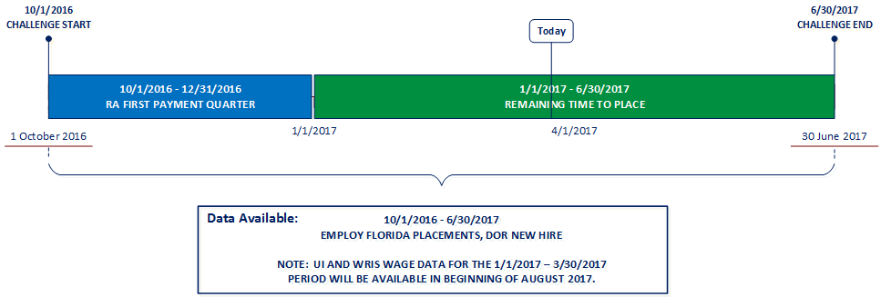
 | Report Date: 3/24/2017
Reemployment Challenge - Executive Summary Excludes RA Claimants Who Returned to the Same Employer
October 1, 2016 thru December 31, 2016

Placement Rate: The goal of this challenge is to increase the number of reemployment assistance claimants who get a new job in the time period tracked. To be considered for this award, a local workforce development board (LWDB) must hit 81% or greater.

Statewide Placement Rate
 | Claimants Placed | Goal Floor Threshold
 | 33.56%
LWDB Placement Rate
 | Total Claimants | Claimants Employed | Percent Employed
1 | 783 | 208 | 26.56%
2 | 392 | 120 | 30.61%
3 | 142 | 54 | 38.03%
4 | 676 | 183 | 27.07%
5 | 588 | 152 | 25.85%
6 | 186 | 85 | 45.70%
7 | 145 | 51 | 35.17%
8 | 3417 | 1114 | 32.60%
9 | 371 | 140 | 37.74%
10 | 850 | 291 | 34.24%
11 | 1541 | 515 | 33.42%
12 | 4827 | 1505 | 31.18%
13 | 998 | 381 | 38.18%
14 | 1798 | 876 | 48.72%
15 | 2980 | 1286 | 43.15%
16 | 1149 | 401 | 34.90%
17 | 1226 | 417 | 34.01%
18 | 1102 | 344 | 31.22%
19 | 334 | 97 | 29.04%
20 | 1070 | 360 | 33.64%
21 | 2663 | 969 | 36.39%
22 | 4207 | 1342 | 31.90%
23 | 5776 | 1610 | 27.87%
24 | 1665 | 550 | 33.03%

>= 81%

Days-to-Employment: The goal of this challenge is to decrease the average number of days it takes for a reemployment assistance claimant to get back into a job. To be considered for this award, a local workforce development board (LWDB) must hit 76 Days or Fewer.

Statewide Average Days-to-Employment
 | Average Days-to-Employment | Goal Ceiling Limit
 | 50.0
LWDB Average Days-to-Employment
 | Total Days-to-Employment | Average Days
 | 10795 | 51.9
 | 5050 | 42.1
 | 3035 | 56.2
 | 10442 | 57.1
 | 8962 | 59.0
 | 4225 | 49.7
 | 2615 | 51.3
 | 58805 | 52.8
 | 7686 | 54.9
 | 14751 | 50.7
 | 26000 | 50.5
 | 72651 | 48.3
 | 22046 | 57.9
 | 45809 | 52.3
 | 69310 | 53.9
 | 20382 | 50.8
 | 19028 | 45.6
 | 14831 | 43.1
 | 5599 | 57.7
 | 15683 | 43.6
 | 42595 | 44.0
 | 66195 | 49.3
 | 80272 | 49.9
 | 25278 | 46.0

<= 76 Days

